Unit Test
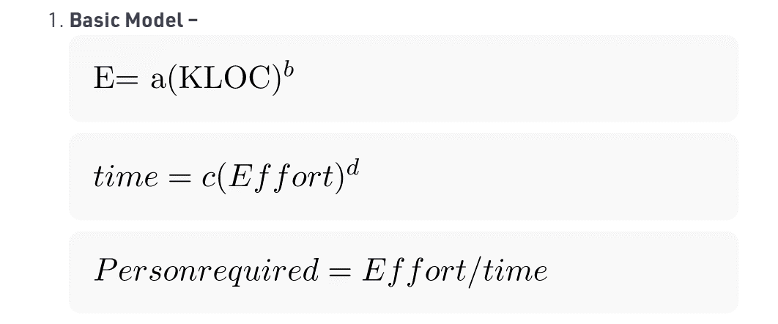
KLOC | 32
KLOC | 0.032 | Input (Basic Model) | a | b | c | d | Effort/E | Development Time/Time | Average Staff Required/Person Required
 |  | Organic | 2.4 | 1.05 | 2.5 | 0.38 | 91.33 | 13.90 | 6.57
 |  | Semi-Detached | 3 | 1.12 | 2.5 | 0.35 | 145.51 | 14.29 | 10.18
 |  | Embedded | 3.6 | 1.2 | 2.5 | 0.32 | 230.40 | 14.25 | 16.16

